Half Southwest Salad
MENU ITEM: | Half Southwest Salad
Ingredients | Quantity | Measure | Unit Cost | Total Cost
Romaine | 2.50 | oz | $0.18 | $0.45
Shredded Cheddar Jack | 2.00 | oz | $0.10 | $0.20
Avocado, sliced | 0.50 | ea | $0.60 | $0.30
pepitas (See Recipe) | 1.00 | oz | $0.68 | $0.68
Tortilla Strips | 1.00 | oz | $0.19 | $0.19
Black Bean Corn Salsa | 2.00 | oz | $0.09 | $0.18
Pickled Red Onion (See Recipe) | 2.00 | oz | $0.33 | $0.65
Spicy Lime Dressing (See Recipe) | 2.00 | oz | $0.11 | $0.22

Assembly: |  | Yield Amount: |  | 1
1. Place Romaine in a chilled half salad bowl. 2. Add Black Bean Corn Salsa, Shredded Cheddar Jack., sliced Avocado, Pickled Red Onion. 3. Finish with Pepitas, and Tortilla Strips. 4. with Spicy Lime Dressing on side. |  | Yield Measure: |  | serving
 |  | Shelf Life (in days): |  | 7 days
 |  | Tools & Supplies:
 |  | Cutting Board
 |  | Fryer
 |  | Dinner plate
 |  | Mixing Bowl

Photo: |  | Knife
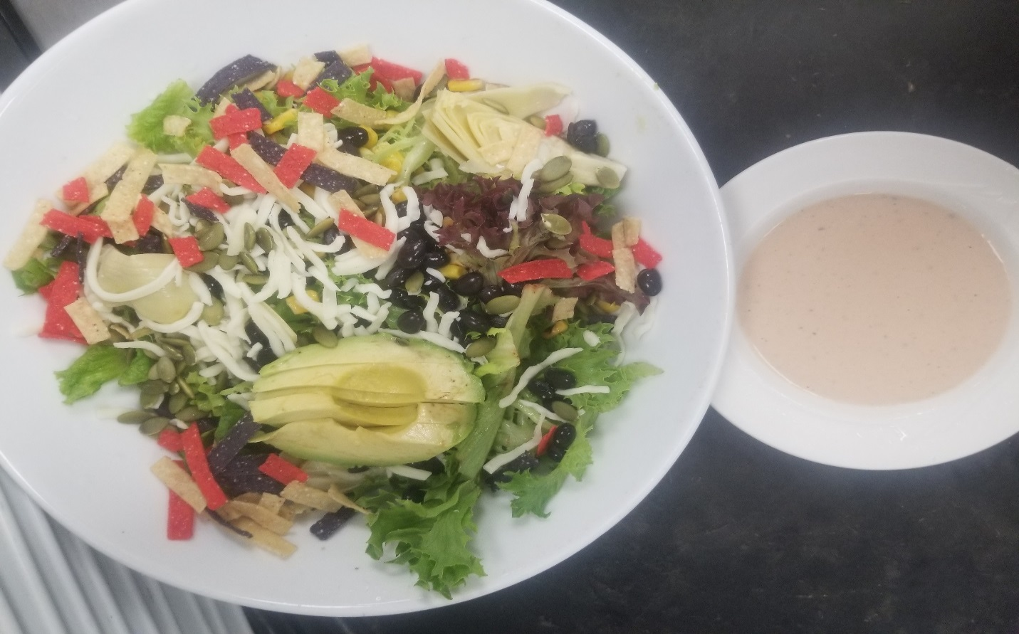

 |  | Vehicle:
 |  | Long plate

Food Safety Notes: |  | Recipe Cost |  | $2.87
* Wash hands before food preparation and when changing tasks. |  | Yield |  | 2
* Wear gloves or use suitable utensils when handling ready to eat foods. |  | Portion Cost |  | $1.44
* Hold cold foods at 40°F or less. |  | Q-Factor |  | 6%
* Hold hot foods at 140°F or more. |  | Total Cost |  | $1.52
* Record temperatures of potentially hazardous foods at least three times daily. |  | Menu Price |  | $6.00
* Rinse all produce and immerse in a produce wash in a sanitized prep sink. |  | Food Cost % |  | 25.4%

